Sch_Tools_Bundles_Imgs
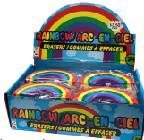
Return to Order form / Revenir au Formulaire de commande

Erasers & Sharpeners
Cookie Pop Mechanical Pencil (each) (Assorted Colours, colours vary) | Poof Ball Pen (each) (Assorted Colours, colours vary) | Flamingo Pen (each) (Assorted colours, Colours vary) | Pop N' Pen (each) (Assorted colours, Colours vary) | Return to Order form / Revenir au Formulaire de commande
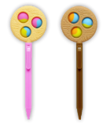 | 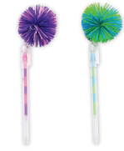 | 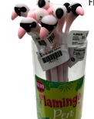 | 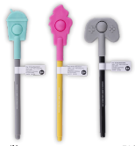
 |  |  |  | Return to Order form / Revenir au Formulaire de commande

Fun Pens & Pencils - please note Packs contain assorted colours
Pastel Crystal Ombre Pen (each) Assorted Colours (only available as part of Pen Pack) | Pop N' Pen (each) Assorted Colours | Holographic Pom Pom Pen (each) Assorted Colours (only available as part of Pen Pack) | Mega Squishy Pen (each) Assorted Colours (only available as part of Pen Pack) | Return to Order form / Revenir au Formulaire de commande
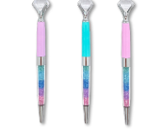 |  | 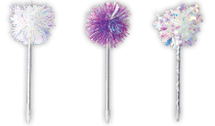 | 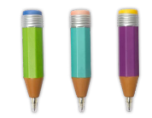
Assorted Smile/Daisy Eraser (each) (only available as part of Eraser Pack) | Assorted Scented Popsicle Eraser (2 / Pack) (only available as part of Eraser Pack) | Assorted Car Eraser (each) (only available as part of Eraser Pack) | Assorted Smart Phone Eraser (each) (only available as part of Eraser Pack) | Return to Order form / Revenir au Formulaire de commande
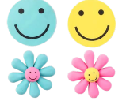 |  |  | 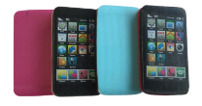
Over The Rainbow Eraser (each) (only available as part of Eraser Pack)

