Sch_Tools_Bundles_Imgs
Return to Order form / Revenir au Formulaire de commande

Erasers
Mashup Eraser (8 pack) | Jumbo Rainbow Eraser (8 pack) | Smart Phone Eraser (10 pack) |  | Return to Order form / Revenir au Formulaire de commande
 | 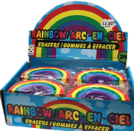 | 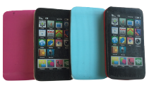

Bookmarks and Writing
Assorted Bookmarks (25 pack) | Assorted Pencils (20 pack) | Bubblegum Scented Triple Highlighter (8 pack) | Stacked Jellyfish Highlighter (5 pack) | Return to Order form / Revenir au Formulaire de commande
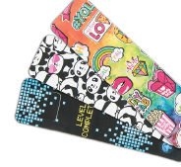 | 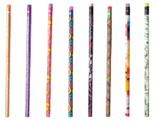 | 