Sch_Tools_Bundles_Imgs
Return to Order Form

Erasers
Car (Assorted Colours) | Unicorn Rainbow Eraser (Assorted Colours) | Soda Pop (Assorted Colours) | Vending Machine Eraser | Return to Order form / Revenir au Formulaire de commande
 |  | 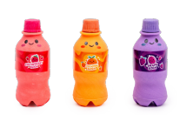 | 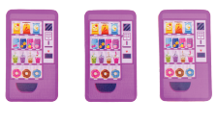

More Erasers & Pencils
Retro Smile Eraser (Assorted Colours) | Pencils (Assorted Colours) | Assorted Bookmarks |  | Return to Order form / Revenir au Formulaire de commande
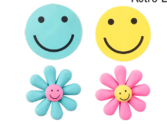 | 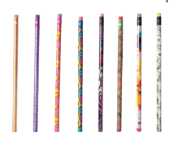 | 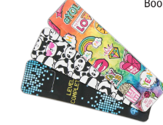

More Erasers & Pencils
 |  |  |  | Return to Order form / Revenir au Formulaire de commande

