Spring '26 CAWSE Product List
MONCTON
REMOTE CUSTOMER APPRECIATION WAREHOUSE SALE / VENTE D'ENTREPÔT

PRODUCT LIST & ORDER FORM /
LISTE DES PRODUITS & FORMULAIRE DE COMMANDE

ORDERS MUST BE SUBMITTED BY FRIDAY APRIL 24, 2026 / LES COMMANDES DOIVENT ÊTRE PASSÉES AVANT LE VENDREDI 24 AVRIL 2026

INSTRUCTIONS FOR COMPLETION / INSTRUCTIONS POUR REMPLIR LE FORMULAIRE

1) Fill out School Account Details, Shipping Information and Payment and Billing sections / 1) Remplissez les parties sur le compte scolaire, les informations d’expédition, le paiement et la facturation.
2) Fill in quantities in the Order Quantity column (Column F) / 2) Remplissez les informations de compte et d'expédition ci-dessous.
3) Order Summary will automatically tabulate your purchase. Discount will be applied at the end / 3) Le récapitulatif de la commande comptabilisera automatiquement votre achat. La remise sera appliquée à la fin.
4) Save file as Excel spreadsheet (.xlsx) / 4) Sauvegardez le fichier en tant que feuille de calcul Excel.
5) Email file to dmaillet@scholastic.ca as an Excel attachment / 5) Envoyez par courriel le fichier Excel en pièce jointe à dmaillet@scholastic.ca. Please DO NOT send file as PDF / NE PAS ENVOYER CE FICHIER EN FORMAT PDF
6) Contact Dustin Maillet (506) 859-8113 x 4 if you have any questions or need assistance with form / 6) Contactez Dustin Maillet par téléphone au 1-506-859-8113 x 4 si vous avez des questions concernant ce formulaire.

PLEASE NOTE:

A) All orders are subject to product availability / A) Toutes les commandes sont sous réserve de disponibilité.

B) All Sales are FINAL / B) TOUTES les ventes sont FINALES.

C) Products may NOT be re-sold / C) Les produits ne sont PAS destinés à la revente.

 | NB | 1.15

MONCTON

ORDERS MUST BE SUBMITTED BY FRIDAY APRIL 24, 2026 / LES COMMANDES DOIVENT ÊTRE PASSÉES AVANT LE VENDREDI 24 AVRIL 2026

School Account Details / Détails du compte d’école

SCHOOL NAME / NOM DE L'ÉCOLE |  |  | ACCT NUMBER / NUMÉRO DE COMPTE

HOST NAME / RESPONSIBLE DU FESTIVAL

SCHOOL ADDRESS / ADRESSE DE L'ÉCOLE |  |  | SCHOOL PHONE / NUMÉRO DE TÉLEPHONE

CITY / VILLE |  | PROVINCE | POSTAL CODE / CODE POSTAL

Shipping Information / Informations d'expédition
Delivery method: / Mode de livraison: | <Click here and use drop-down arrow to select> / <Cliquez ici et utilisez la flèche de menu déroulant pour faire un choix>

CUSTOMER NAME (if different from Host name / Si différent du responsible)

EMAIL ADDRESS / COURRIEL |  |  | PHONE / NUMÉRO DE TÉLÉPHONE

Payment and Billing / Paiement et Facturation
**Scholastic Reading Club Bonus Coupons/Rewards and other Scholastic Coupons NOT accepted** / **Nous n’acceptons pas les coupons-bonis des clubs de lecture Scholastic et tout autre coupon de Scholastic.**
Payment Method: / Mode de paiement: | <Click here and use drop-down arrow to select> / <Cliquez ici et utilisez la flèche de menu déroulant pour faire un choix> | You MUST select a payment method to get Order Summary to populate after selecting quantities / Vous DEVEZ choisir un moyen de paiement pour que le récapitulatif de la commande se remplisse après avoir sélectionné les quantités.

<Leave blank> / Ne rien inscrire |  | <Leave blank> / <Ne rien inscrire>

 | Order Summary / Récapitulatif de la commande
 | Order Total / Total de la commande:
 | 50 % discount applied / 50% de réduction appliquée:
 | Subtotal / sous-total:
 | Shipping & Handling / Frais d'expédition et de manutention: |  |  | $10.00
 | Final total due / Total final dû:
 | GST on Shipping & Handling |  |  | $0.50
ALL ORDERS SUBJECT TO PRODUCT AVAILABILITY / TOUTES LES COMMANDES SONT SOUS RÉSERVE DE DISPONIBILITÉ

SCHOLASTIC USE ONLY
Date Received: |  | Scholastic Dollars Balance: |  | $-
Date Shipped: |  | Free gift?
Tracking #: |  |  |  | Completed by:

SCHOOL TOOLS BUNDLE DEALS / ENSEMBLES FOURNITURES SCOLAIRES
ISBN | Title/Titre | Grade Level/ Niveau scolaire | Image/image | Price/Prix (before discount) | Order Quantity/ Quantité commandée | Total (Before Discount)/ Total (avant la réduction)
PENCIL_20 | Assorted Pencils - 20 pack | All Ages |  | $5.00 |  | $-
BKMRK_25 | Assorted Bookmarks - 25 pack | All Ages | 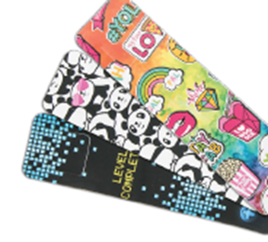 | $5.00 |  | $-
FR_BKMRK_25 | Assorted French Bookmarks - 25 pack | All Ages |  | $5.00 |  | $-
HI_CANDY_5 | Triple Scented Candy Highlighter - 5 pack | All Ages |  | $5.00 |  | $-
MIC_4 | Microphone Pen - 4 pack | All Ages | 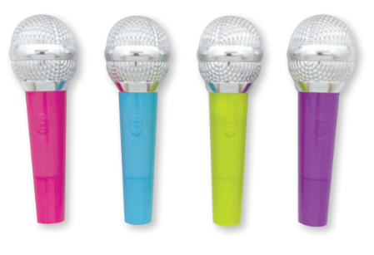 | $5.00 |  | $-

ENGLISH BOOK BUNDLE DEALS / LOT DE LIVRES EN ANGLAIS
***Price before discount/prix ​​avant remise***
Pig's Grumpy Pack |  | Pre-2 |  | $8.00 |  | $-
9781546122692 | Pig The Pug: Cranky Pug 🍁
9781443148177 | Pig The Pug 🍁
9781443163385 | Pig The Star 🍁
9781443196628 | Pig The Rebel
So Good, It's Bad! |  | 2-5 |  | $20.00 |  | $-
9781546167587 | The Bad Guys #1 (Color Edition)
9780545912419 | The Bad Guys #2: Mission Unpluckable
9781338087499 | The Bad Guys #3: The Furball Strikes Back
9781338820539 | The Bad Guys #16: The Others?!
9781338892710 | The Bad Guys #17: Let the Games Begin!
Middle School Mayhem |  | 6-UP |  | $12.00 |  | $-
9781443193788 | Operation Do-Over (Hardcover) 🍁
9781339027357 | Mixed Up 🍁
9781338867459 | The Fort 🍁
9781039705647 | Slugfest 🍁
Shivers and Shadows |  | 7-UP |  | $16.00 |  | $-
9781339046952 | Gallowgate
9781338889055 | Bendy #3: Fade to Black 🍁
9781039701748 | Summer's End 🍁
9781339002880 | I Will Follow

LOT DE LIVRES FRANÇAIS / FRENCH BOOK BUNDLE DEALS
***prix ​​avant remise / Price before discount***
Entrez dans le monde des images et des petites phrases |  | PRE-2 |  | 16.00 $ |  | - $
9781039710481 | Le voleur de neige
9781443194686 | Le bon, la brute et l’effrayant
9781443180313 | La fée scientifique 🍁
9781443191524 | Au Fil Des Saisons: La Grenouille Et La Mission de l'Été
Les livres sont amusants pour tous les débutants |  | K-3 |  | 16.00 $ |  | - $
9781443177672 | Qui va gagner? Le rhinocéros ou l'hippopotame? | 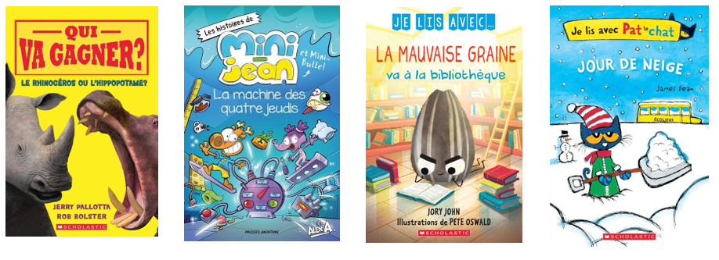
9782897519599 | La machine des quatre jeudis 🍁
9781039704404 | Je lis avec... La mauvaise graine va à la bibliothèque
9781443168205 | Je lis avec Pat le chat : Jour de neige
Sautez dans le plaisir de lire |  | 2-5 |  | 12.00 $ |  | - $
9781039702998 | En cavale! : N° 1 - Les griffes de la mort
9781039702912 | Journal de Licorne: N˚ 7 - La Magie Disparue
9781443194884 | Hibou Hebdo: N° 16 - Tiens Bon, Ève!
9781039701717 | Complot d'animaux : N˚ 1 - Mon royaume obscur

CLASSROOM SETS (30 copies each) / ENSEMBLES DE CLASSE (30 exemplaires chacun)
***Price before discount/prix ​​avant remise***
ISBN | Title/Titre | Grade Level/ Niveau scolaire | CANADIAN? /CANADIEN? | Price/Prix (before discount) | Order Quantity/ Quantité commandée | Total (Before Discount)/ Total (avant la réduction)
9781039701816 | Nutshimit: In the Woods | 'K-3 | 🍁 | $160.00 |  | $-
9781771476096 | The Tray of Togetherness | 'K-2 | 🍁 | $160.00 |  | $-
9780735266155 | The Great Bear | '7-UP | 🍁 | $160.00 |  | $-
9781443193887 | C'est par ici! | 'K-2 |  | $60.00 |  | $-

ENGLISH $5 & UNDER / 5$ ET MOINS EN ANGLAIS
ISBN | Title/Titre | Grade Level/ Niveau scolaire | CANADIAN? /CANADIEN? | Price/Prix (before discount) | Order Quantity/ Quantité commandée | Total (Before Discount)/ Total (avant la réduction)
9781338805819 | Adventure Friends, The: Bk #1 Treasure Map (Acor | 'K-2 |  | $3.00 |  | $-
9781338865578 | Best Buddies: Bk #1 A Pie For Us! (Acorn) | 'PRE-1 |  | $3.00 |  | $-
9781338858754 | Could You Ever Dive With Dolphins? | 'K-3 |  | $3.00 |  | $-
9781339033105 | Deadlands, The: Hunted | '6-UP |  | $3.00 |  | $-
9781338851946 | Dragon Games: Bk #1 The Thunder Egg | '2-4 |  | $3.00 |  | $-
9781339000312 | Everything Awesome About Dangerous Dinosaurs | '1-3 |  | $3.00 |  | $-
9781339019833 | Find Your Porpoise | '4-UP |  | $3.00 |  | $-
9781338849318 | Giraffe is Grumpy | 'K-2 |  | $3.00 |  | $-
9780545200530 | Hidden Girl: A True Story Of The Holocaust | '7-8 |  | $3.00 |  | $-
9781975393397 | Horror Collector Vol. 1: The Faceless Kid | '6-UP |  | $3.00 |  | $-
9781338893090 | How Not To Be A Vampire Slayer | '5-UP |  | $3.00 |  | $-
9781339018119 | Inflatables In Air To The Throne | '2-5 |  | $3.00 |  | $-
9781338843316 | Kwame's Magic Quest: Bk #2 Race To The Magic Mou | '1-3 |  | $3.00 |  | $-
9781339045689 | Maizy Chen's Last Chance | '5-UP |  | $3.00 |  | $-
9781338794977 | Mermaid Days: Bk #3: A New Friend (Acorn) | 'K-2 |  | $3.00 |  | $-
...

Bundle Images
Return to Order form / Revenir au Formulaire de commande

Assorted Pencils (20 pack) | Assorted Bookmarks (25 pack) | Assorted French Bookmarks (25 pack) | Triple Scented Candy Highlighter (5 pack) | Microphone Pen (5 pack) | Return to Order form / Revenir au Formulaire de commande
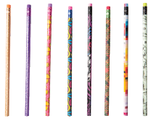 |  |  | 